Image
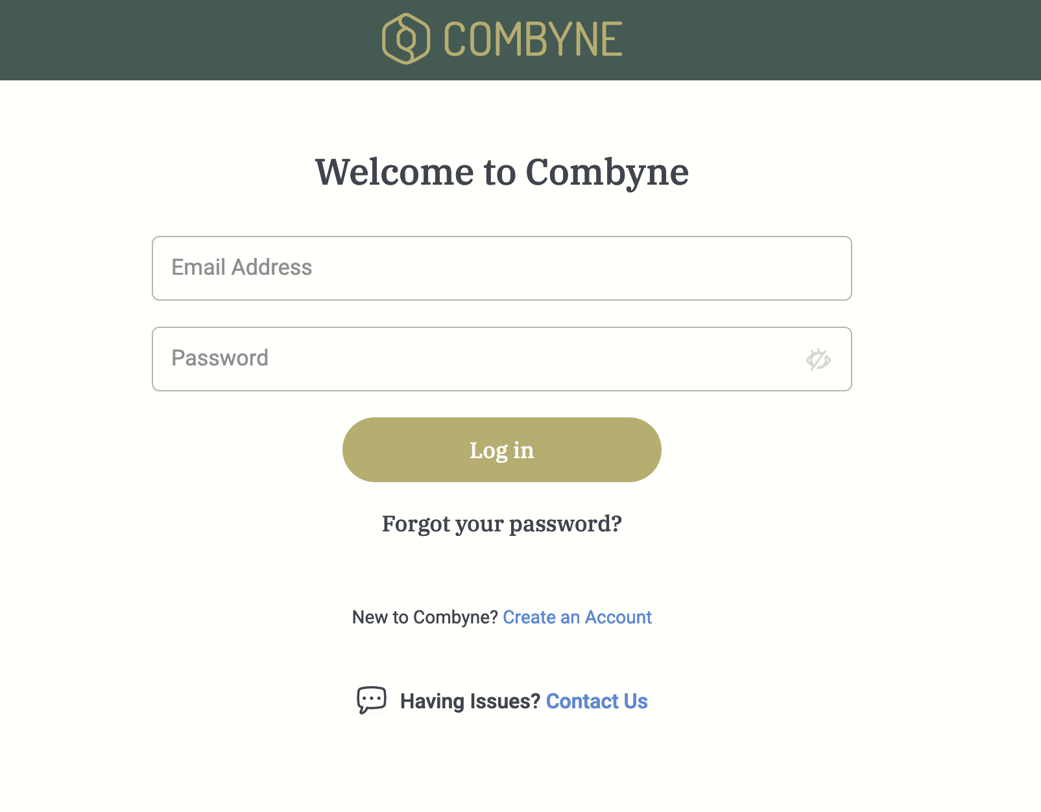
COMBYNE AG LOGIN PAGE

